Feuil1
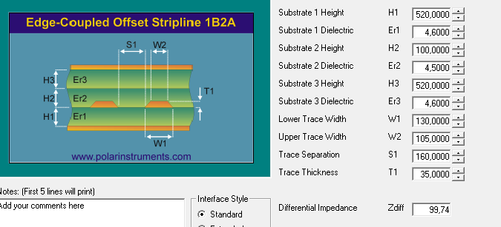
 |  |  |  |  |  |  | Impédances
Layers | 6 |  |  |  |  |  | 85 ohms |  |  |  |  | 100 ohms
Board thickness | 1.60 |  |  |  |  |  | Original track | Original space | Updated track | Updated space | Calculated imp. | Original track | Original space | Updated track | Updated space | Calculated imp.
Material | S1000-2M |  |  |  |  | 15
Finish | NiAu |  | L1 | F_Cu |  | 35 | 152 | 152 | 155 | 140 | 85.86 | 152 | 152 | 115 | 160 | 100.26
Vernis épargne | yes |  |  |  |  | 100
Serigraphy | yes |  | L2 | GND1 |  | 35
Width | 78mm |  |  |  |  | 520
Length | 156mm |  | L3 | In2 |  | 35 |  |  |  |  |  | 152 | 152 | 130 | 105 | 99.74
Gold finger | yes |  |  |  |  | 100
 |  |  | L4 | In3 |  | 35
 |  |  |  |  |  | 520
Differential impedance : | Layer | Reference layer | L5 | GND2 |  | 35
85 Ohm +/- 10% | Top | 2 |  |  |  | 100
85 Ohm +/- 10% | Bottom | 5 | L6 | B_Cu |  | 35 | 152 | 152 | 155 | 140 | 85.86 | 152 | 152 | 115 | 160 | 100.26
100 Ohm +/- 15% | Top | 2 |  |  |  | 15
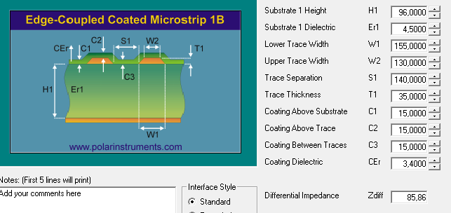
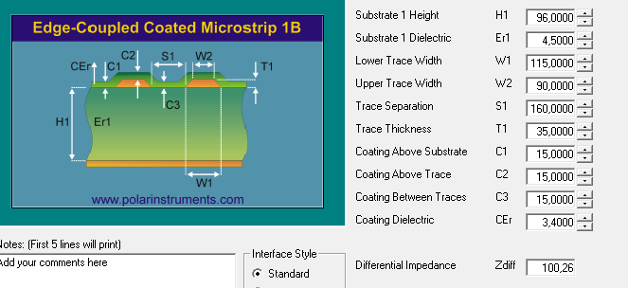
100 Ohm +/- 15% | 3 | 2
100 Ohm +/- 15% | Bottom | 5 |  |  |  | 1580

 |  |  |  |  | Material: S1000-2M

Impedance 100 ohms:

